CoverSheet
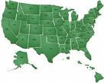

PUBLIC COST AND REVENUE ANALYSIS

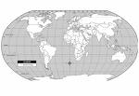
Fiscal Year 2018
Revised 2/11/2019

FINANCE

